5PK BIKINI
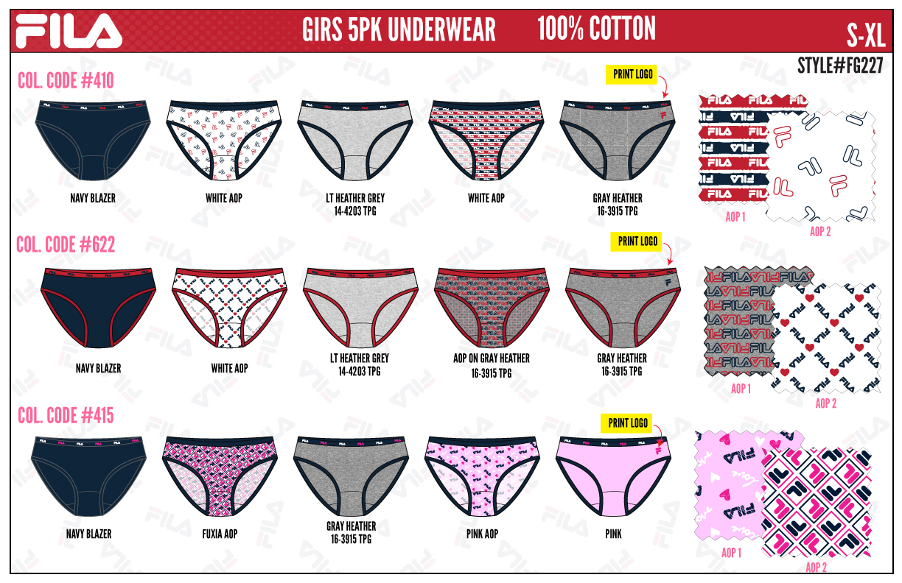
FILA GIRLS ATS
UPDATED INVENTORY
DATE: | 2026-03-31

STYLE | DESCRIPTION/FABRIC/CONTENT | COLOR | SIZE | ATS
FG26227 | GIRLS - 5PK BIKINI | 415 PINK | 2T | 1392
 | JERSEY - 100% COTTON | 415 PINK | 3T | 1440
 | PACKAGING: HANGING | 415 PINK | 4T | 1296
 |  | 410 NAVY | 2T | 1347
 | CARTON PACKING - 24 PACKS | 410 NAVY | 3T | 1200
 | SOLID SIZE & SOLID COLOR | 410 NAVY | 4T | 1488
 |  | 622 RED | 2T | 1488
 |  | 622 RED | 3T | 1416
 |  | 622 RED | 4T | 1128
 |  |  |  | 12195

2PK BRA
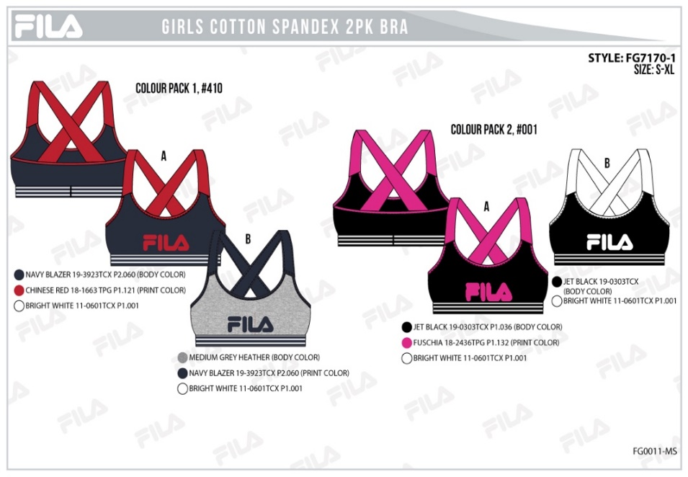
FILA GIRLS ATS
UPDATED INVENTORY
DATE: | 2026-03-31

STYLE | DESCRIPTION/FABRIC/CONTENT | COLOR | SIZE | ATS
FG7170-1 | GIRLS - 2PK BRA | 410 NAV/GREY | XS | 1320
FG7171-1 | JERSEY - 95/5 COTTON SPANDEX | 410 NAV/GREY | S | 1272
 | 155 GSM | 410 NAV/GREY | M | 528
 | PACKAGING: HANGING | 001 PINK/BLK | XS | 936
 |  | 001 PINK/BLK | S | 768
 | CARTON PACKING - 24 PACKS | 001 PINK/BLK | M | 864
 | SOLID SIZE & SOLID COLOR | 001 BLK/GREY | XS | 3432
 |  | 001 BLK/GREY | S | 1704
 |  | 001 BLK/GREY | M | 2592
 |  | 020 GREY/NAV | XS | 1704
 |  | 020 GREY/NAV | S | 552
 |  | 020 GREY/NAV | M | 864
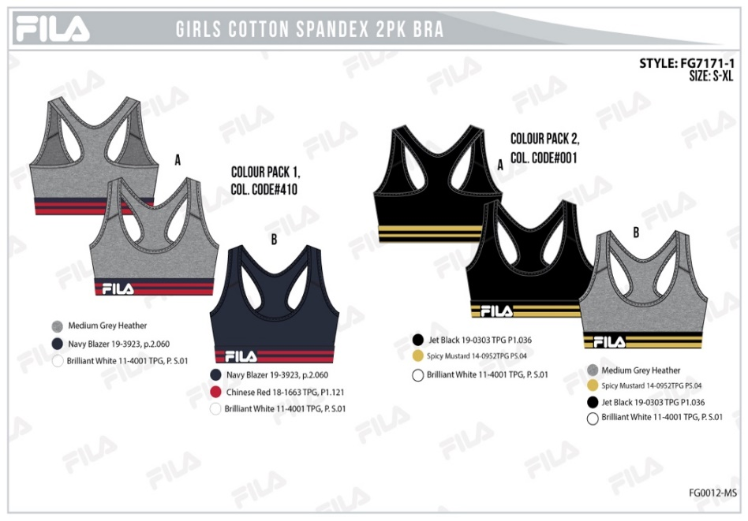
 |  |  |  | 16536

2PK BRA & HIPSTER
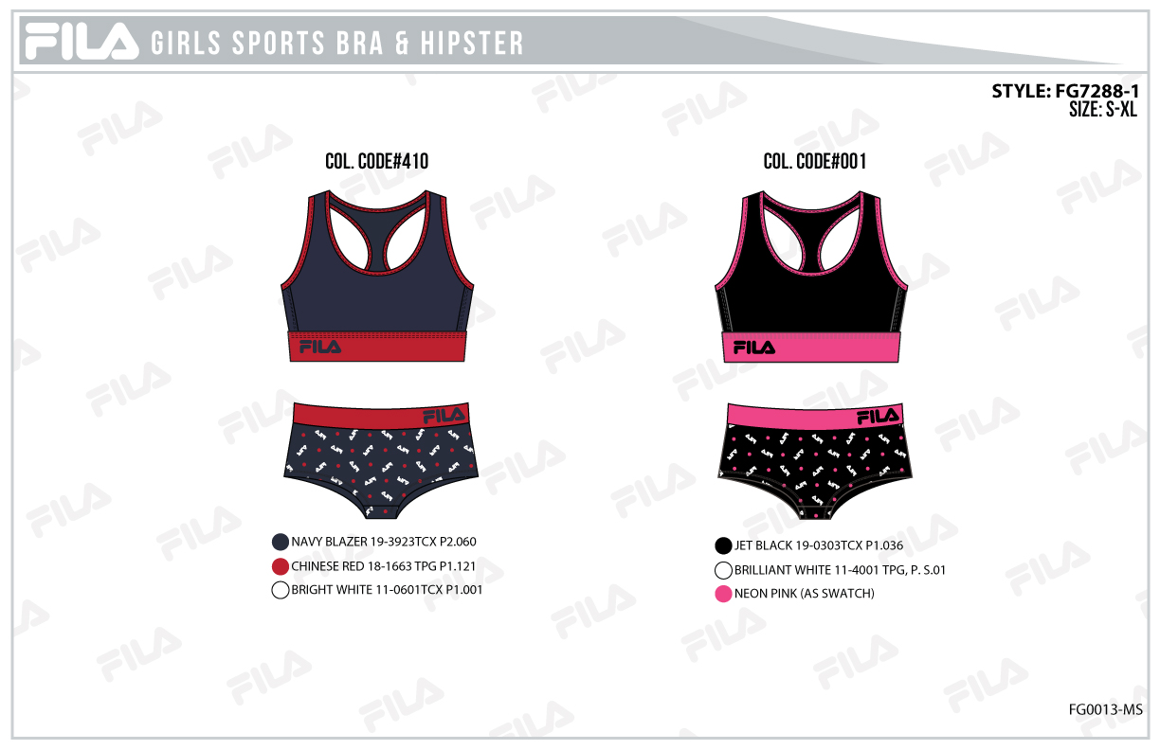
FILA GIRLS ATS
UPDATED INVENTORY
DATE: | 2026-03-31

STYLE | DESCRIPTION/FABRIC/CONTENT | COLOR | SIZE | ATS
FG7288 | GIRLS - 2PK BRA AND HIPSTER | 410 NAVY | XS | 0
 | JERSEY - 95/5 COTTON SPANDEX | 410 NAVY | S | 0
 | 155 GSM | 410 NAVY | M | 24
 | PACKAGING: HANGING | 410 NAVY-1 | XS | 2040
 |  | 410 NAVY-1 | S | 960
 | CARTON PACKING - 24 PACKS | 410 NAVY-1 | M | 1632
 | SOLID SIZE & SOLID COLOR | 001 BLACK | XS | 1968
 |  | 001 BLACK | S | 1416
 |  | 001 BLACK | M | 1392
 |  |  |  | 9432

